Sheet1
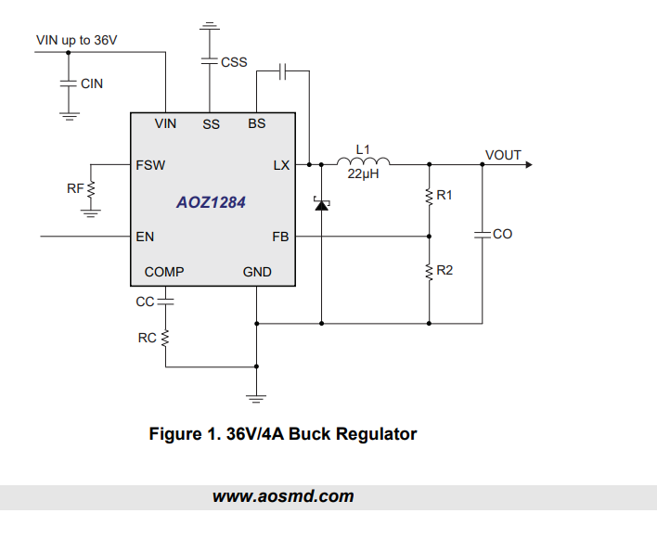
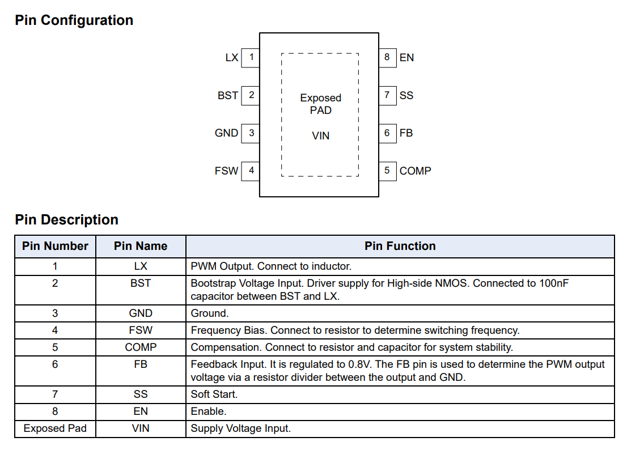

L1 | ASPI-0630LR | FIXED IND 10UH 4A 68 MOHM SMD
R1 | 31.6K
R2 | 10k
Co
Css |  |  | Vout = 0.8 * (1 + R1/R2)
Cin
Rf | 100k | 500kHz | Vout | R1 | R2
Cc |  |  | #DIV/0! | 1 | 0
Rc |  |  | 1.1992 | 4.99 | 10
 |  |  | 1.4956521739 | 10 | 11.5
 |  |  | 1.7960784314 | 12.7 | 10.2
 |  |  | 2.52 | 21.5 | 10
 |  |  | 3.328 | 31.6 | 10
 |  |  | 4.984 | 52.3 | 10

